Sheet1
Description | Model Number | Picture | Notes
2 DC motors with 2.5" wheels | GB37Y3530-43 8EN |  | with encoders, and mounting base | https://www.dfrobot.com/wiki/index.php/12V_DC_Motor_251rpm_w/Encoder_(SKU:_FIT0186)
elastic band
variety of resistors |  | 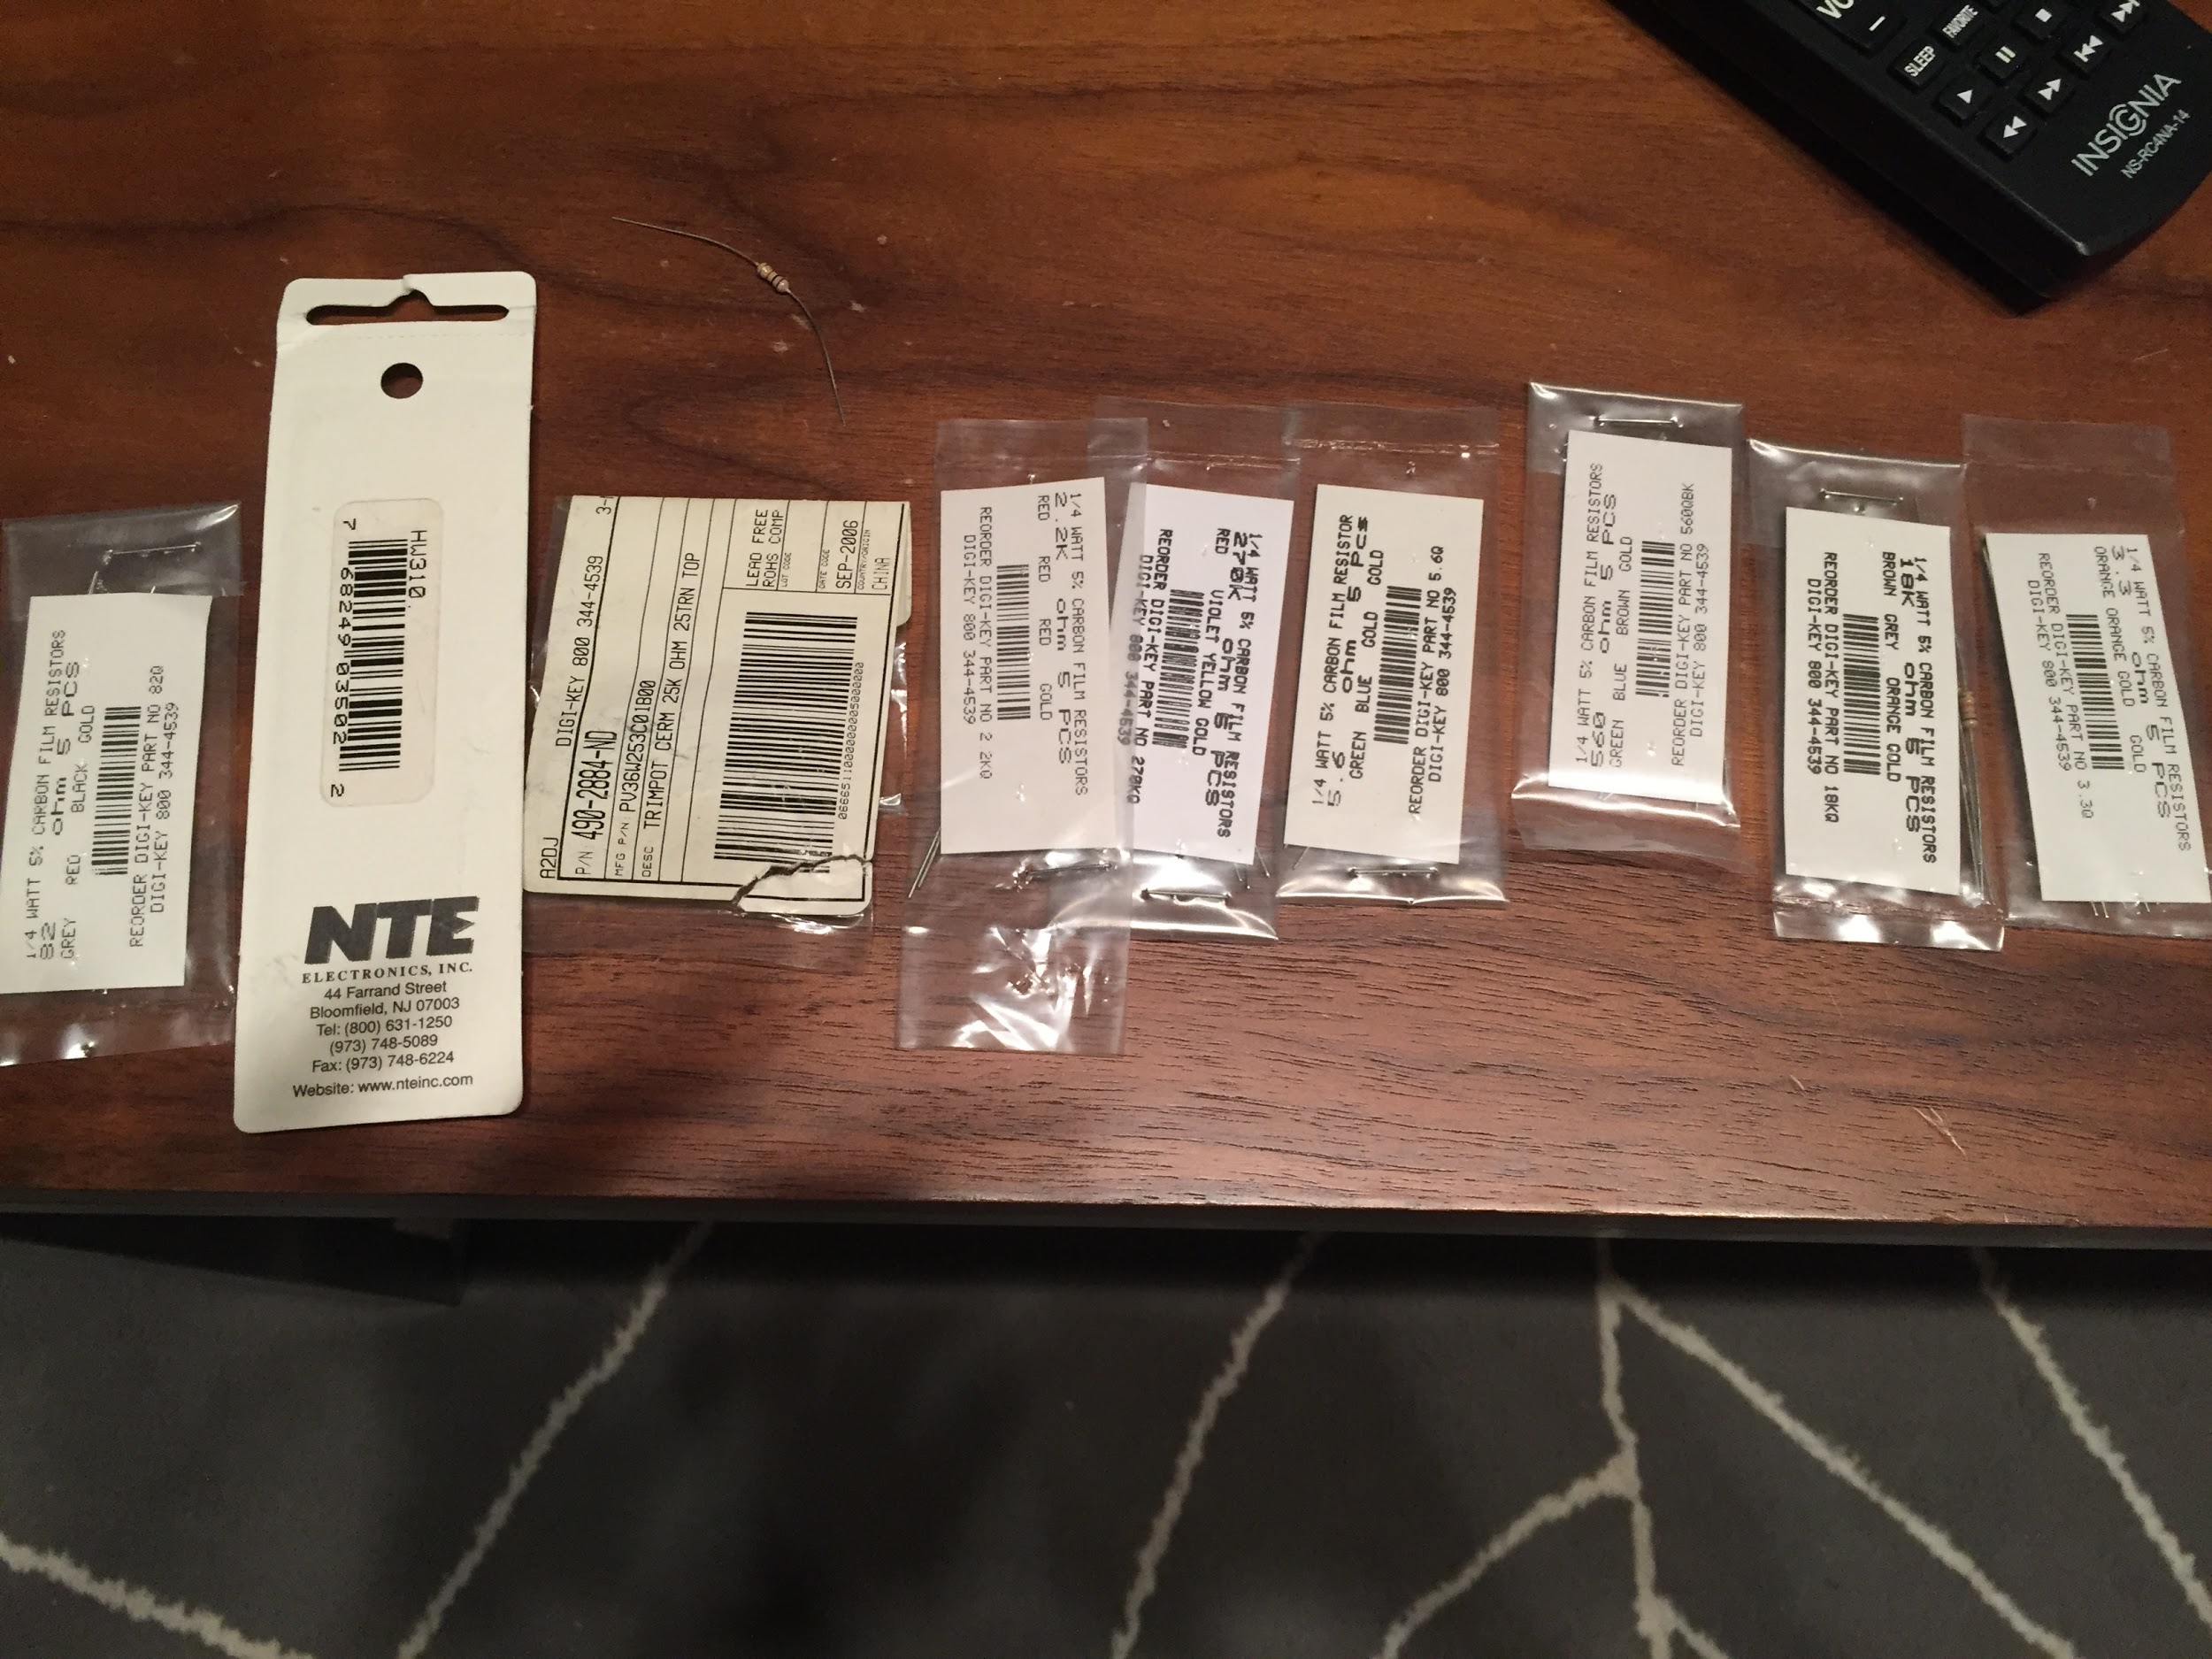
four bar link mechanism

2 Arduino Mega's |  |  | not sure if they work
2 heavy duty 2.5" casters
2 stepper motors with 2.75" wheels | 42BYGHM809 | 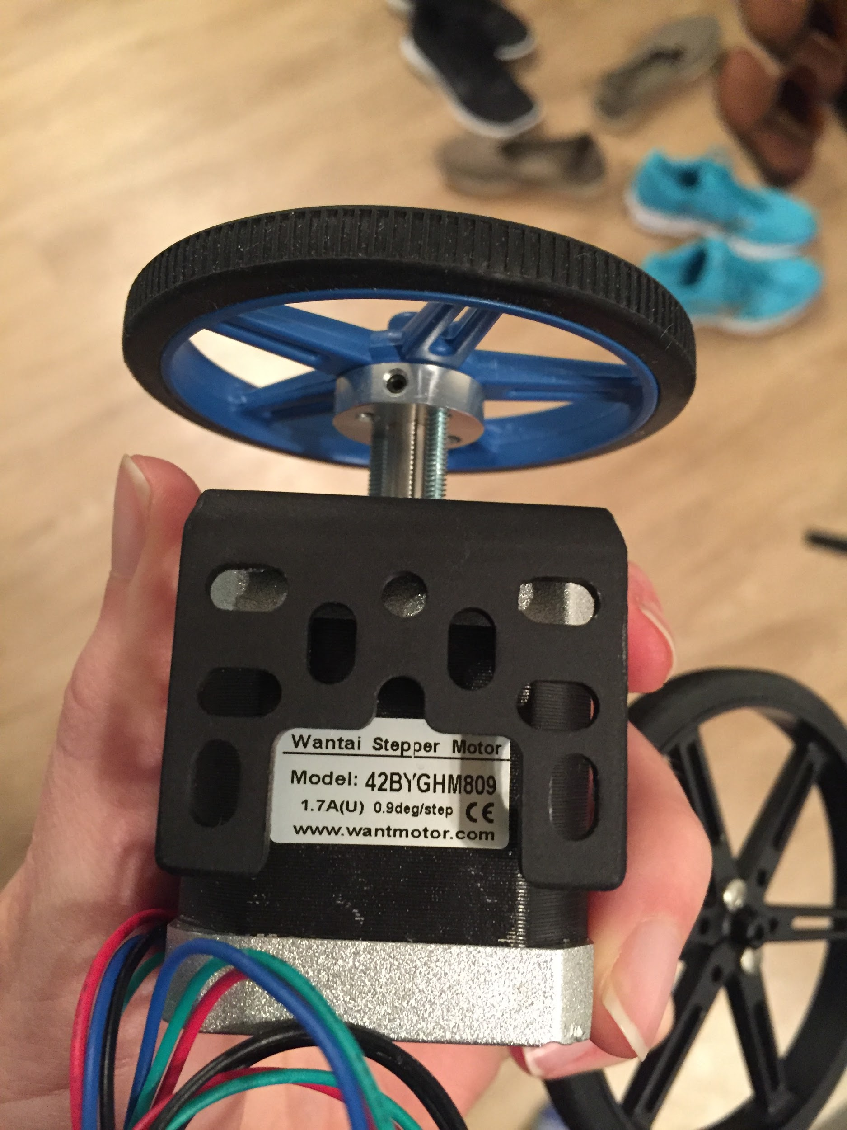
2 DC motors 3.5" wheels | LT25GA75-370T | 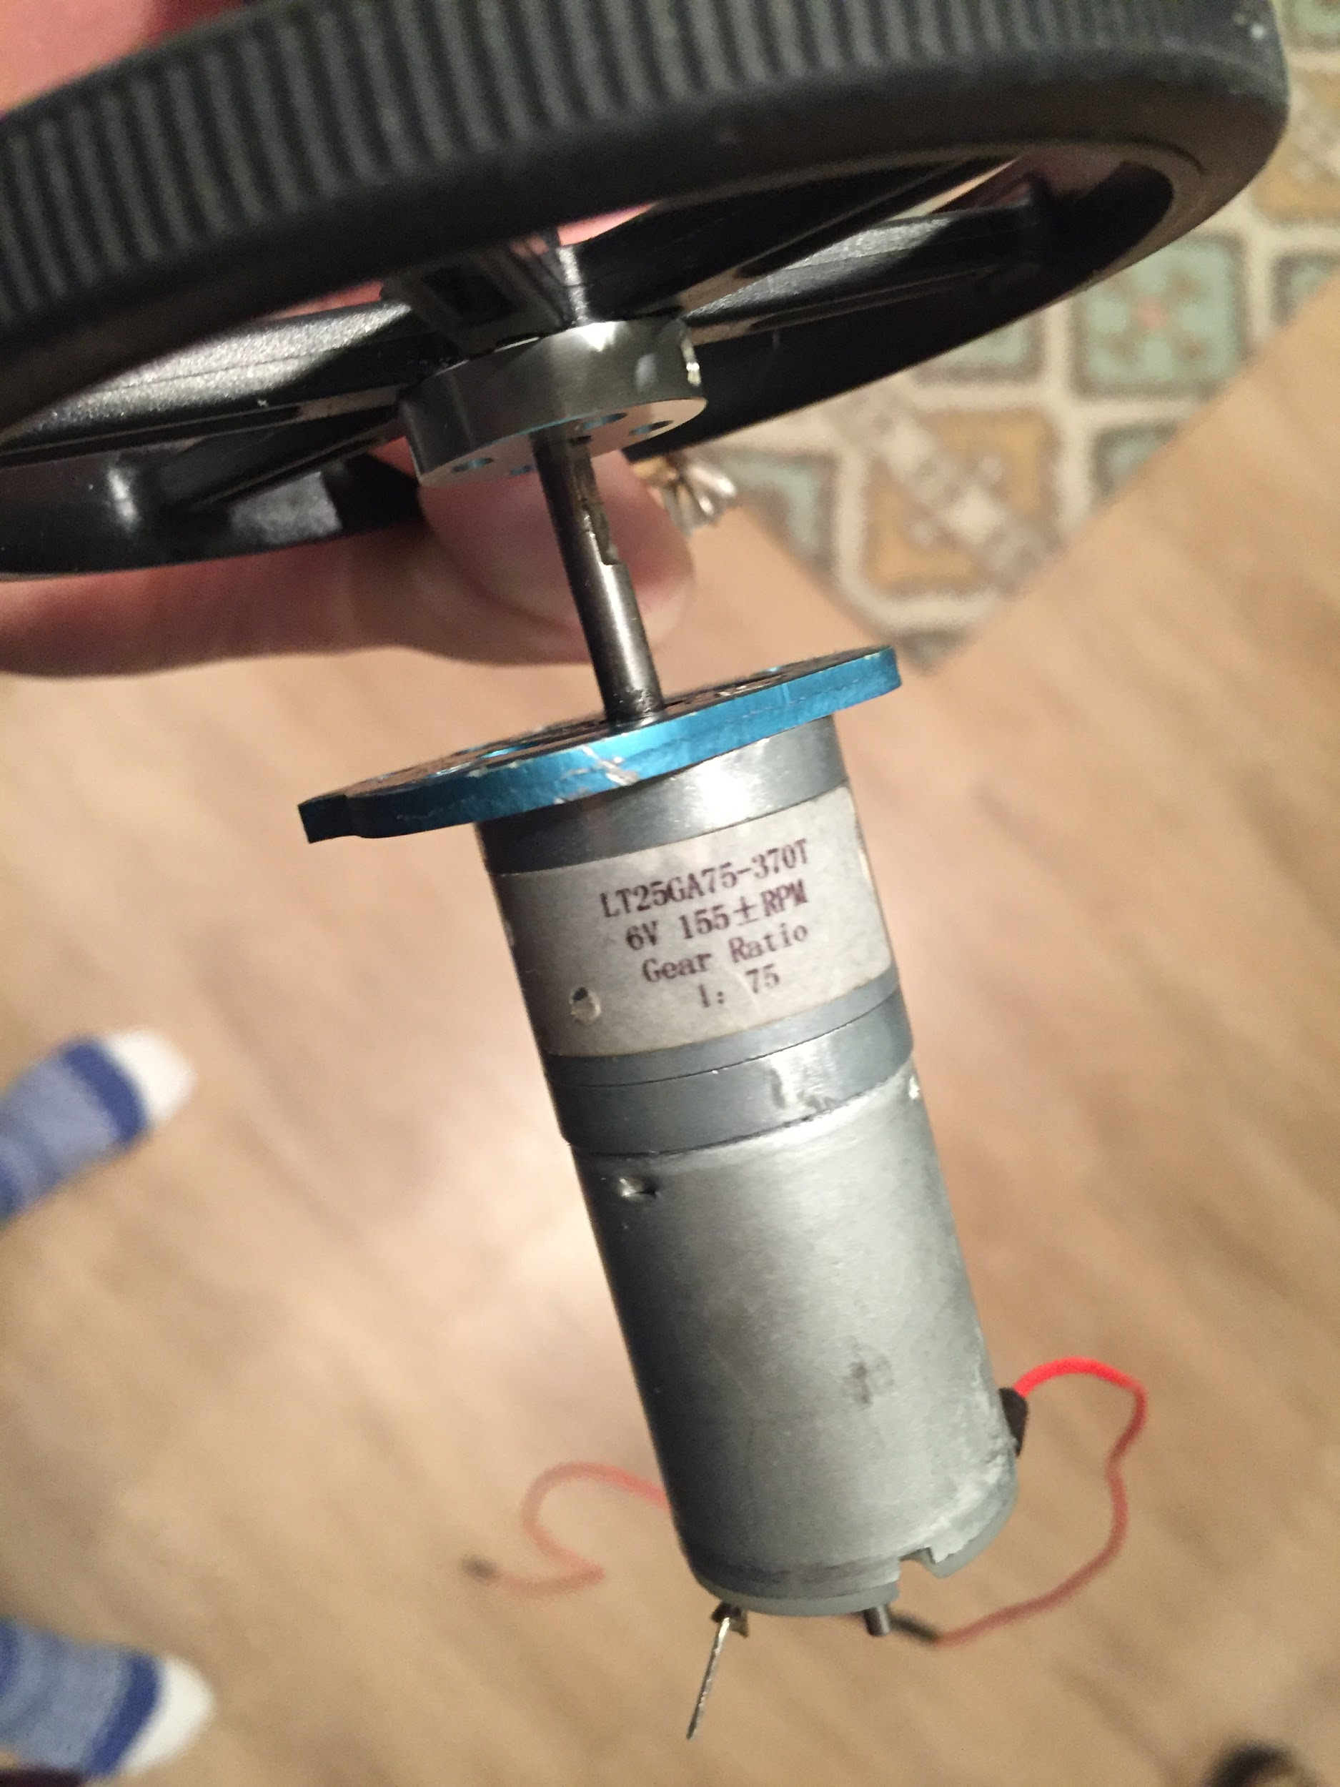 | 6V, 155+/- PRM, 1:75 gear ratio
gears and fasteners
11.1V 5000mAh 3-cell LiPo battery | TP5000-3sPP65
2* 2.5KG Electromagnet DC 12V P20/15 Holding Electric Magnet Lifting Solenoid |  |  | http://www.ebay.com/itm/like/162408602021?lpid=82&chn=ps&ul_noapp=true
breadboard
3* ultrasonic sensor | HC-SR04
2* bluetooth module
fuse
Dual MC33926 Motor Driver Carrier |  |  | https://www.pololu.com/product/1213
AC/DC power supply | LM2577 |  | https://www.amazon.com/Universal-adjustable-Module-Regulator-Booster/dp/B0043BHBR2
2* OP Amp | LM741
2* 8-bit ADC | ADC0809CCN |  | http://www.ti.com/lit/ds/symlink/adc0809-n.pdf
ISD 1420P

